Sheet1
EWMA Question

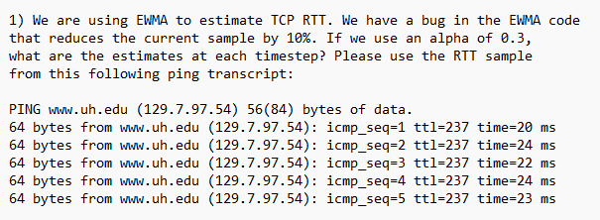

Note: the sample time given has the error of 10% in the above question.

Fill the following
Error Multiplier (as decimal) | 1 | (if the error reduces sample by 10%, enter 1.1)
RTT0 assumption (in ms) | 20
alpha | 0.8
 |  |  | OUTPUT
Sample Time (Fill these) | Error corrected time (don't fill) |  |  | with error | without error
20 | 20 |  | RTT1 | 20 | 20
20 | 20 |  | RTT2 | 20 | 20
22 | 22 |  | RTT3 | 21.6 | 21.6
24 | 24 |  | RTT4 | 23.52 | 23.52
23 | 23 |  | RRT5 | 23.104 | 23.104

